Indices

 | Iraq Stock Exchange
 | Bulletin No (117)
 | ISX Trading Indices of Tuesday 7/7/2026

 | Traded Volume and OTC |  | 4,787,613,147 |  | Traded Value and OTC |  | 16,289,147,754 |  | Traders | 970
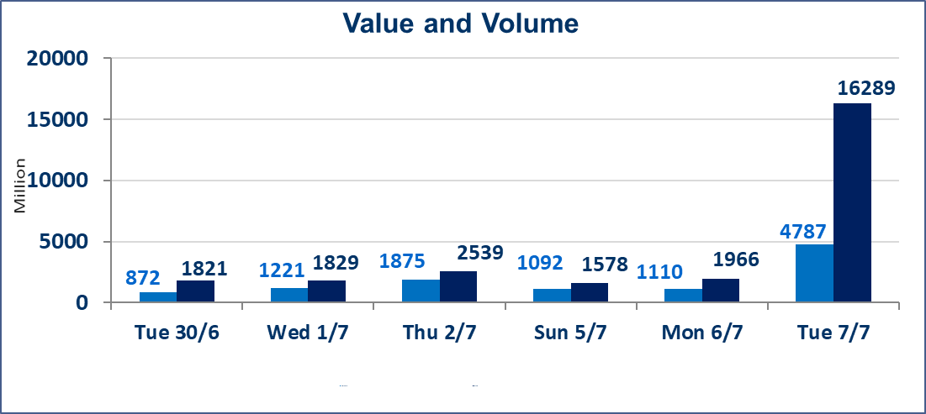
 | ISX Index 60 |  |  | 1022.12 | ISX Index 15 |  |  | 1278.13
 | Previous ISX Index60 |  |  | 1018.76 | Previous ISX Index15 |  |  | 1283.69
 | Change % |  |  | 0.33 | Change % |  |  | -0.43
 | Change |  |  | 3.36 | Change |  |  | -5.56

 | Listed Companies | 103 | OTC | 17 | Non Traded listed | 51 | OTC | 16
 | Traded Listed Companies | 37 | OTC | 1 | Higher Companies |  |  | 6
 | GAM Companies |  |  | 7 | Lower Companies |  |  | 19
 | Suspended Companies |  |  | 8
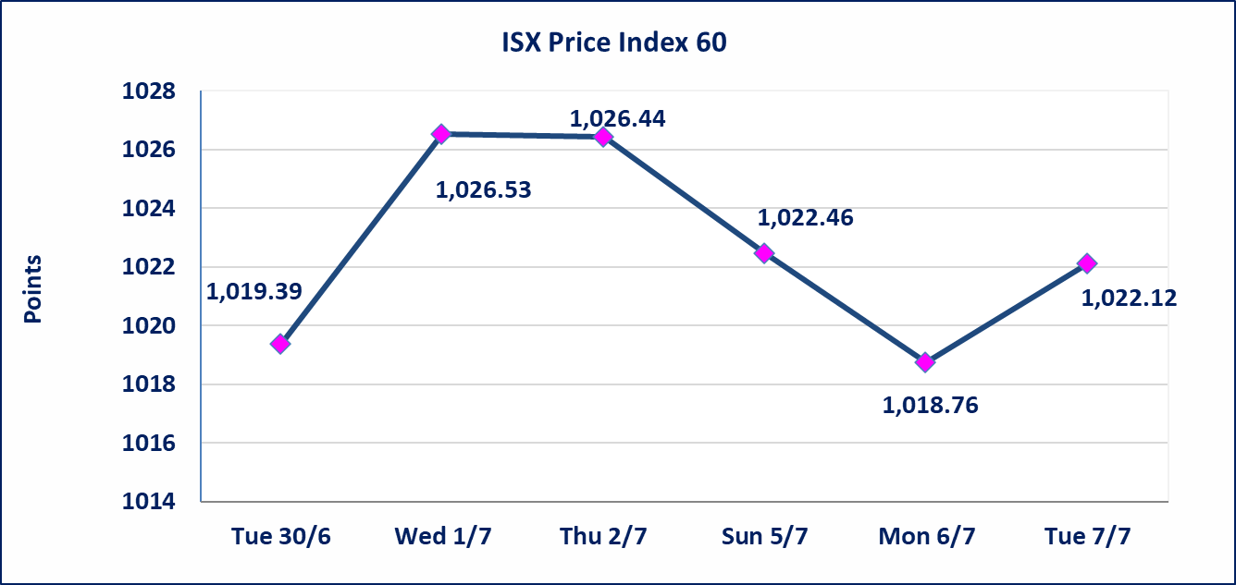
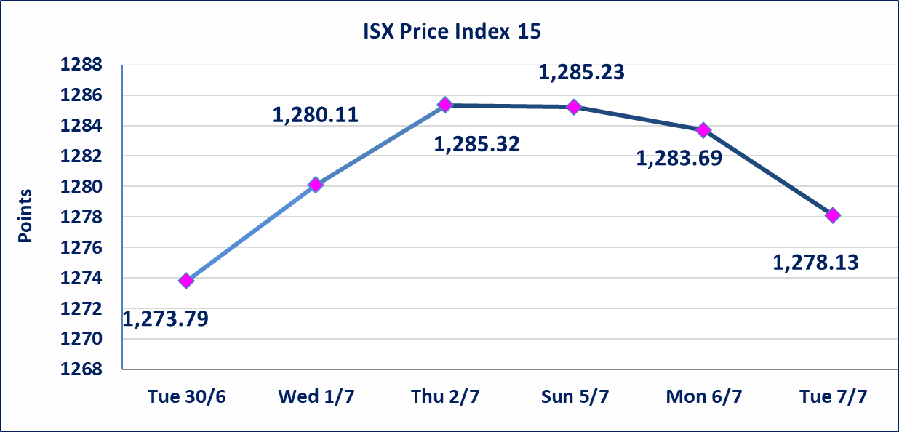

special orders |  | Al-Karmel Brokerage Company executed an intentional cross trade involving 3,900,000,000 shares of Al-Ahli Bank, valued at 15,444,000,000 dinars, during the extended trading session (after 1:00 PM) in accordance with the procedures for executing large-volume transactions.
Al-Alwiya P.O . 3607 Mobile: 07711211522 - 07270094594 - 07834000034 E-mail: info-isx@isx-iq.net Web site:www.isx-iq.net

Top 5
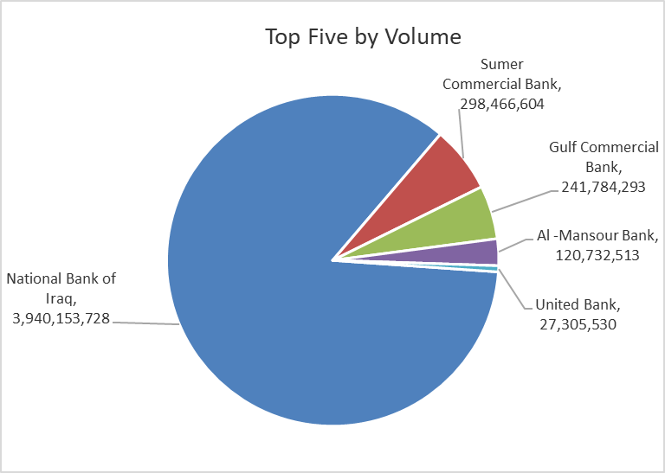
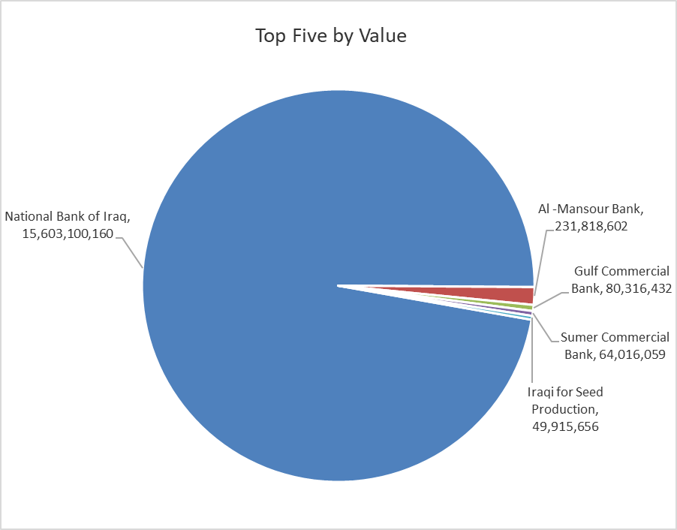

ISX top ganing and losing companies
Tuesday 7/7/2026
 | Gainers |  |  |  | Losers
 | Company Name | Closing Price | Change (%) | Traded Volume | Company Name | Closing Price | Change (%) | Traded Volume
 | Al-Taif Islamic Bank | 0.950 | 6.74 | 522,974 | Iraqi Carton Manufactories | 2.180 | -9.92 | 674,559
 | Mansour Hotel | 65.500 | 5.65 | 325,712 | National Furniture Industries | 0.730 | -9.88 | 4,480,261
 | Sumer Commercial Bank | 0.230 | 4.55 | 298,466,604 | Agricultural Products Meat | 4.800 | -9.43 | 200,000
 | Al-Khatam Telecom | 3.820 | 1.87 | 134,065 | Babil Animal & Vegetable Production | 7.950 | -5.81 | 17,000
 | Commercial Islamic Bank of Iraq | 0.660 | 1.54 | 16,759,717 | Modern Sewing | 6.100 | -5.43 | 1,278,951
 | The most active companies in term of traded volume and value

 | Traded Volume |  |  |  | Traded Value
 | Company Name | Closing Price | Change (%) | Traded Volume | Company Name | Closing Price | Change (%) | Traded Value
 | National Bank of Iraq | 3.950 | -1.25 | 3,940,153,728 | National Bank of Iraq | 3.950 | -1.25 | 15,603,100,160
 | Sumer Commercial Bank | 0.230 | 4.55 | 298,466,604 | Al -Mansour Bank | 1.920 | 0.00 | 231,818,602
 | Gulf Commercial Bank | 0.340 | 0.00 | 241,784,293 | Gulf Commercial Bank | 0.340 | 0.00 | 80,316,432
 | Al -Mansour Bank | 1.920 | 0.00 | 120,732,513 | Sumer Commercial Bank | 0.230 | 4.55 | 64,016,059
 | United Bank | 0.050 | 0.00 | 27,305,530 | Iraqi for Seed Production | 6.600 | -0.45 | 49,915,656

Non Iraqis

Iraq Stock Exchange
Non Iraqis' Bulletin Tuesday July 7 2026
Regular Market

Non Iraqi Trading of Regular Market (Buy)
Company Names | Code | No.of trades | Traded Shares | Trading Volume
Banks Sector
Commercial Bank of Iraq | BCOI | 2 | 1,505,000 | 978,300
Bank Of Baghdad | BBOB | 23 | 971,790 | 2,915,370
Gulf Commercial Bank | BGUC | 41 | 39,749,700 | 13,147,401
Al-Mansour Bank | BMNS | 7 | 50,713,484 | 97,369,889
Total Bank sector |  | 73 | 92,939,974 | 114,410,960
Grand Total |  | 73 | 92,939,974 | 114,410,960

Non Iraqi Trading of Regular Market (Sell)
Company Names | Code | No.of trades | Traded Shares | Trading Volume
Banks Sector
National Bank Of Iraq | BNOI | 60 | 26,855,402 | 106,127,937
Total Bank sector |  | 60 | 26,855,402 | 106,127,937
Telecommunication Sector
Asia cell | TASC | 19 | 1,750,000 | 28,617,725
Total Telecommunication sector |  | 19 | 1,750,000 | 28,617,725
Grand Total |  | 79 | 28,605,402 | 134,745,662

Non Iraqi Trading of Second Market (BUY)
Company Names | Code | No. of trades | Traded Volume | Traded Value
Banks Sector
International Islamic Bank | BINT | 2 | 411,404 | 90,509
Credit Bank Of Iraq | BROI | 1 | 800,000 | 432,000
Total Bank sector |  | 3 | 1,211,404 | 522,509
Grand Total |  | 3 | 1,211,404 | 522,509

Non Iraqi Trading of Undisclosed Platform (Sell)
Company Names | Code | No.of trades | Traded Shares | Trading Volume
Industry Sector
The Light Industries | ITLI | 5 | 1,250,000 | 1,637,500
Total Industry sector |  | 5 | 1,250,000 | 1,637,500
Grand Total |  | 5 | 1,250,000 | 1,637,500

OTC

Iraq Stock Exchange

Tuesday 7/7/2026

OTC Platform Trading Bulletin No (117)
Company Name | Code | highest price | lowest price | Average price | No.of Trades | Traded Volume | Traded Value
Banks Sector
Al-Warka Bank | BWAI | 0.140 | 0.140 | 0.140 | 8 | 19,929,000 | 2,790,060
Total Of Money Service Sector |  |  |  |  | 8 | 19,929,000 | 2,790,060
Total |  |  |  |  | 8 | 19,929,000 | 2,790,060

Not Trading OTC Companies
Company Name |  |  | Code |  | Previous Average price
Banks Sector
Al-Sanam Islamic Bank |  |  | BSAN |  | 3.000
Hammurabi Commercial Bank |  |  | BHAM |  | ـــــــــــــــــــــــــــــــــــ
Industrial Sector
Kirkuk producing constructional materials |  |  | IKFP |  | 2.660
Money Service Sector
Rabee Securities |  |  | FRSE |  | 9.050
Karmal Brokerage |  |  | FKSX |  | 10.000
Iraqi Deposit Insurance Corporation |  |  | FIDI |  | 1.000
Ishtar Gate for e-Paymant |  |  | FISH |  | 1.000
Sama Baghdad Exchange |  |  | FSBE |  | ـــــــــــــــــــــــــــــــــــ
Insurance Sector
Almaseer lnsurance Company |  |  | NMAS |  | ـــــــــــــــــــــــــــــــــــ
Zain lnsurance Company |  |  | NZA |  | ـــــــــــــــــــــــــــــــــــ
Dar Altheqa Insurance Company |  |  | NDAR |  | ـــــــــــــــــــــــــــــــــــ
Shatt Al Arab Insurance |  |  | NSHA |  | 1.000
Al Badia Insurance |  |  | NBAD |  | ـــــــــــــــــــــــــــــــــــ
Kurdistan Insurance |  |  | NKUI |  | 0.500
Elaf Insurance |  |  | NELF |  | ـــــــــــــــــــــــــــــــــــ
Dilina Insurance Company |  |  | NDIL |  | ـــــــــــــــــــــــــــــــــــ

Not Trading Bonds

Iraq Stock Exchange
Tuesday 7/7/2026
Not Trading Bonds Bulletin
Bond type | Publish type | Code | last trading price | immortilize date
Banaa Bonds /Million ID | Second | CB20 | 964,981 | 19/12/2025
Eamar Bonds /Million ID | First | CB30 | 1,001,095 | ــــــــــــــــ
Eamar Bonds /Million ID | Second | CB40 | ــــــــــــــــ | ــــــــــــــــ
Eamar Bonds /500 Thousand ID | Third | CB45 | ــــــــــــــــ | ــــــــــــــــ
Eamar Bonds /Million ID | Third | CB50 | ــــــــــــــــ | ــــــــــــــــ
Injaz Bonds /500 Thousand ID | First | CB55 | ــــــــــــــــ | ــــــــــــــــ
Injaz Bonds /Million ID | First | CB60 | 951,110 | ــــــــــــــــ
Injaz Bonds /500 Thousand ID | Second | CB65 | 511,000
Injaz Bonds /Million ID | Second | CB70 | 965,050 | ــــــــــــــــ
Injaz Bonds /500 Thousand ID | Third | CB75 | ــــــــــــــــ | ــــــــــــــــ
Injaz Bonds /Million ID | Third | CB80 | 978,182 | ــــــــــــــــ
National Bonds/Million ID | First | CB90 | ــــــــــــــــ | ــــــــــــــــ
National Bonds/500 Thousand ID | Second | CB95 | ــــــــــــــــ | ــــــــــــــــ
National Bonds/Million ID | Second | CB100 | ــــــــــــــــ | ــــــــــــــــ

